Analysis
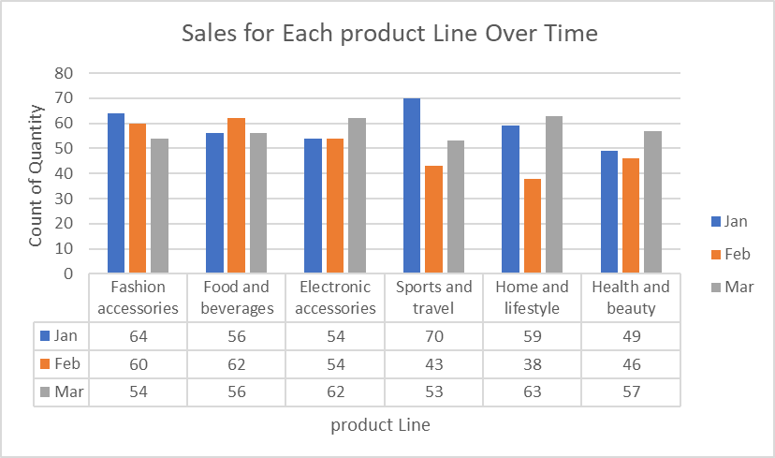
Report

1. What is the total revenue for each branch?

Branch | Sum of Total
A | 106200.37
B | 106197.67
C | 110568.71
Grand Total | 322966.75

2. What is the average unit price for each product line?

Product line | Average of Unit price
Electronic accessories | 53.55
Fashion accessories | 57.15
Food and beverages | 56.01
Health and beauty | 54.85
Home and lifestyle | 55.32
Sports and travel | 56.99
Grand Total | 55.67

3. How many transactions have been made for each payment type?

payment | Count of Payment
Cash | 344
Credit card | 311
Ewallet | 345
Grand Total | 1000

4.What is the distribution of customer types (Member or Normal) across all branches?

Branch | Member | Normal | Grand Total
A | 167 | 173 | 340
B | 165 | 167 | 332
C | 169 | 159 | 328
Grand Total | 501 | 499 | 1000

5.What is the average rating for each product line?

product line | Average of Rating
Electronic accessories | 6.9
Fashion accessories | 7.0
Food and beverages | 7.1
Health and beauty | 7.0
Home and lifestyle | 6.8
Sports and travel | 6.9
Grand Total | 7.0

6. What is the most popular product line for each gender?

Gender | Count of Product line
Female | 501
Fashion accessories | 96
Food and beverages | 90
Sports and travel | 88
Electronic accessories | 84
Home and lifestyle | 79
Health and beauty | 64
Male | 499
Health and beauty | 88
Electronic accessories | 86
Food and beverages | 84
Fashion accessories | 82
Home and lifestyle | 81
Sports and travel | 78
Grand Total | 1000

7. What is the total number of transactions per month?

Month | Count of Transactions
Jan | 352
Feb | 303
Mar | 345
Grand Total | 1000

8. What is the highest-grossing product line?

Product line | Sum of gross income
Food and beverages | 2673.56
Sports and travel | 2624.90
Electronic accessories | 2587.50
Fashion accessories | 2586.00
Home and lifestyle | 2564.85
Health and beauty | 2342.56
Grand Total | 15379.37

9. What is the average transaction value for each branch?

Branch | Average of Transaction Value
A | 312.35
B | 319.87
C | 337.10
Grand Total | 322.97

10. What are the busiest hours of the day for each branch?

Branch | Count of Transaction
A | 340
10 AM | 38
3 PM | 37
11 AM | 35
12 PM | 33
6 PM | 33
4 PM | 32
1 PM | 31
5 PM | 27
7 PM | 27
2 PM | 25
8 PM | 22
B | 332
7 PM | 50
1 PM | 38
6 PM | 35
11 AM | 33
3 PM | 32
2 PM | 30
8 PM | 26
10 AM | 26
12 PM | 25
5 PM | 20
4 PM | 17
C | 328
10 AM | 37
7 PM | 36
1 PM | 34
3 PM | 33
12 PM | 31
2 PM | 28
4 PM | 28
8 PM | 27
5 PM | 27
6 PM | 25
11 AM | 22
Grand Total | 1000

11. What is the average quantity of items purchased per transaction?

Count of Transactions | Average of Quantity
1000 | 6

12. What is the most popular payment type for each customer type?

Customer Type | Count of Payment
Member | 501
Credit card | 172
Cash | 168
Ewallet | 161
Normal | 499
Ewallet | 184
Cash | 176
Credit card | 139
Grand Total | 1000

13. What is the gender distribution of customers in each branch?

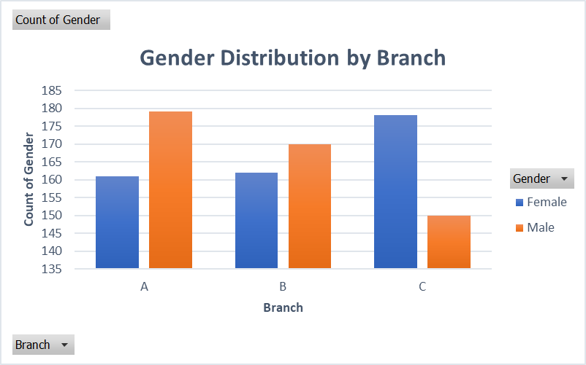

14. What is the average transaction value for each gender?

Gender | Average of Total
Female | 335
Male | 311
Grand Total | 323

15. What is the trend of sales for each product line over time?

Dashboard
Customers Dashboard

Gender Distribution
 | Total
Female | 501
Male | 499
Customer Type Distribution
 | Total
Member | 501
Normal | 499
Payment Method
 | Total
Cash | 344
Credit card | 311
Ewallet | 345

Product Lines Preferences
 | Total
Fashion accessories | 178
Food and beverages | 174
Electronic accessories | 170
Sports and travel | 166
Home and lifestyle | 160
Health and beauty | 152
City Distribution
 | Total
Yangon | 340
Mandalay | 332
Naypyitaw | 328

